Feuille 1
 | CANADA GOOSE MEN |  | S | M | L | XL | XXL | TOTAL | RRP €
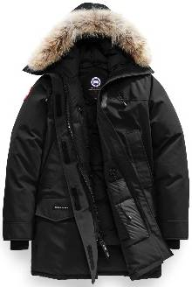 | Langford | Black | 10 | 0 | 0 | 1 |  | 11 | 995.00 €
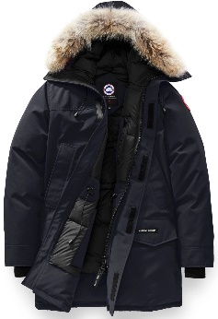 | Langford | Navy | 8 | 5 | 8 | 6 |  | 27 | 995.00 €
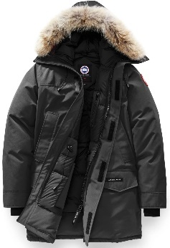 | Langford | Graphite | 10 | 8 | 5 | 1 |  | 24 | 995.00 €
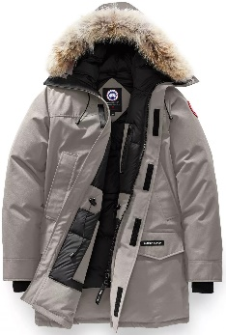 | Langford | Limestone | 6 | 4 | 1 | 0 |  | 11 | 995.00 €
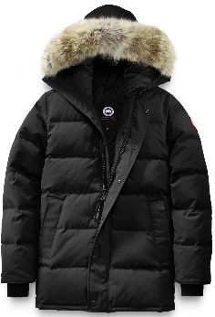 | Carson | Black | 8 | 16 | 17 | 7 |  | 48 | 1,050.00 €
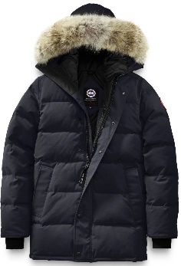 | Carson | Navy | 6 | 14 | 16 | 6 |  | 42 | 1,050.00 €
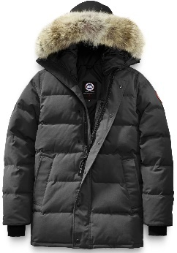 | Carson | Graphite | 7 | 16 | 15 | 6 |  | 44 | 1,050.00 €
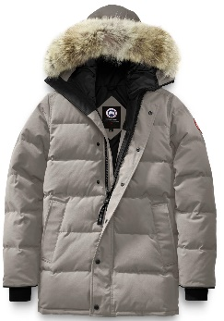 | Carson | Limestone | 6 | 12 | 13 | 7 |  | 38 | 1,050.00 €
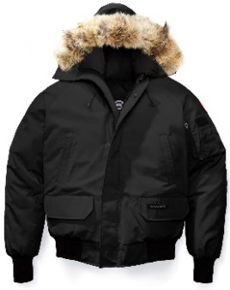 | Chilliwack | Black | 8 | 8 | 8 | 8 | 6 | 38 | 850.00 €
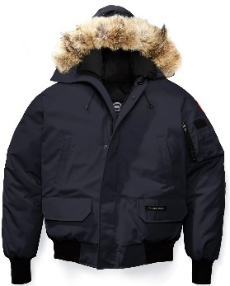 | Chilliwack | Navy | 8 | 8 | 10 | 9 | 5 | 40 | 850.00 €
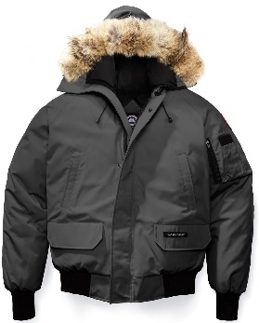 | Chilliwack | Graphite | 7 | 8 | 7 | 4 | 5 | 31 | 850.00 €
 | CANADA GOOSE WOMEN |  | XS | S | M | L | XL | TOTAL | RRP €
 | Loretto | Black | 10 | 10 | 10 | 10 | 8 | 48 | 995.00 €
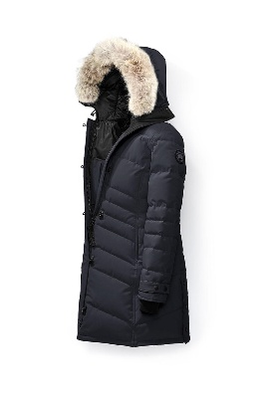 | Loretto | Navy | 9 | 5 | 0 | 2 | 8 | 24 | 995.00 €
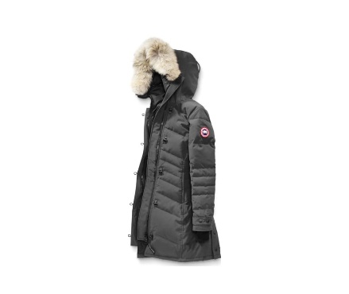 | Loretto | Graphite | 15 | 15 | 8 | 8 | 8 | 54 | 995.00 €
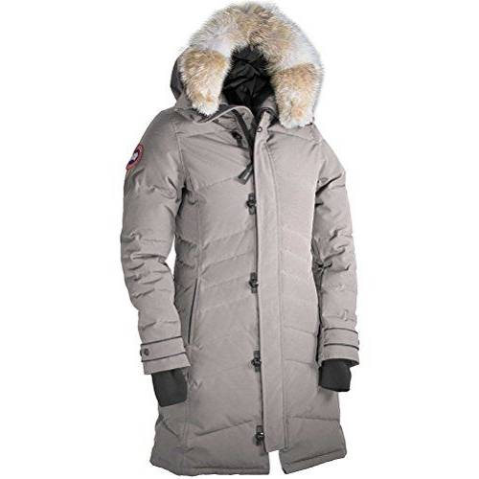 | Loretto | Limestone | 9 | 9 | 5 | 8 | 8 | 39 | 995.00 €

 |  |  |  |  |  |  | Total. | 519

